Sheet1
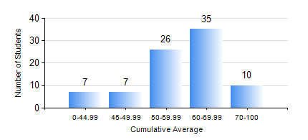
 |  |  | KWAME NKRUMAH UNIVERSITY OF SCIENCE AND TECHNOLOGY, KUMASI Department of Materials Engineering

 |  |  | BSC. METALLURGICAL ENG.

 |  |  | COMPREHENSIVE RECORD OF EXAMINATION RESULTS

 |  |  | RESULTS OF YEAR 1 SECOND SEMESTER, 2023/2024 ACADEMIC YEAR

 | Sn | Course Code |  | Course Name | Credit Hours | Min. Mark | Max. Mark | Avg. Mark | Std. Dev. | No. Passed | No. Trailed | No. (Df) | No. (I) | No. (I*) | No. Tagged(I,I*,Df) | Total
 | 0. |  |  |  |  |  |  | 0 | 0 | 0 | 0 | 0 | 0 | 0 | 0 | 1
 | 1. | ENGL 158 |  | COMMUNICATION SKILLS II | 2 | 40 | 92 | 69 | 11.05 | 84 | 0 | 0 | 0 | 0 | 0 | 84
 | 2. | MATH 152 |  | CALCULUS WITH ANALYSIS | 4 | 18 | 82 | 46 | 9.98 | 75 | 9 | 0 | 0 | 0 | 0 | 84
 | 3. | ME 160 |  | ENGINEERING DRAWING | 2 | 14 | 80 | 55 | 13.48 | 76 | 8 | 0 | 0 | 0 | 0 | 84
 | 4. | ME 162 |  | BASIC MECHANICS | 3 | 28 | 99 | 78 | 15.66 | 83 | 1 | 0 | 0 | 0 | 0 | 84
 | 5. | METE 152 |  | CHEMISTRY FOR METALLURGICAL ENGINEERS | 3 | 31 | 75 | 57 | 8.78 | 79 | 5 | 0 | 0 | 0 | 0 | 84
 | 6. | METE 154 |  | ENVIRONMENTAL SCIENCE | 2 | 17 | 78 | 58 | 10.23 | 83 | 1 | 0 | 0 | 0 | 0 | 84
 | 7. | MSE 154 |  | PRINCIPLES OF MATERIALS SCIENCE | 2 | 18 | 99 | 58 | 19.96 | 75 | 9 | 0 | 0 | 0 | 0 | 84

